Org. chart
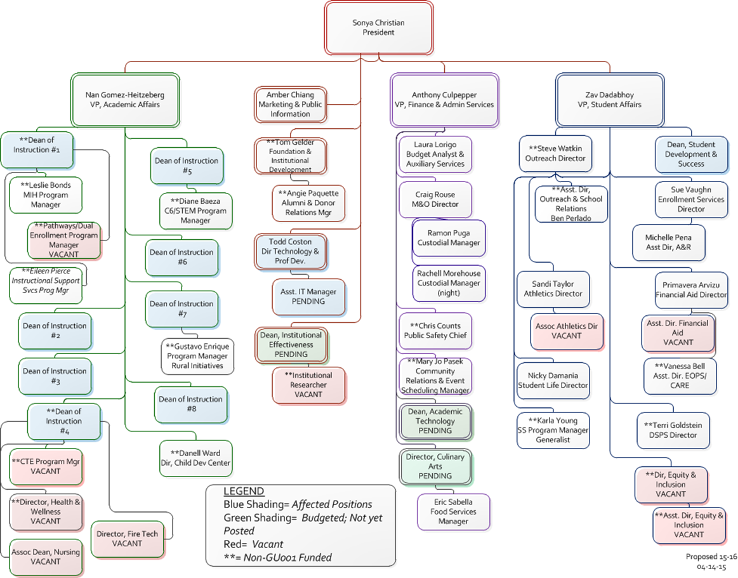
Bakersfield College Administrative Structure

