Economically Disadvantaged
Metric | Academic Year | Primary_disaggregation | Cohort Count | Outcome Count | Outcome rate | PPG-1 | MOE | Full Equity | Primary DI Observed | DI Consistency (Average DI Level) | DI Pervasiveness | Total Full Equity | Annual Number of Additional Success Needed
Progress | 2017 | Eoconomically Disadvantaged | 4748 | 161 | 3.4% | -3.25% | -0.51% | 155 | Y | # Years with DI/Max possible # of metric years (5*4) | (# Metrics impacted)
(Completed Both Transfer-Level Math and English within the District in the First Year) | 2017 | Not Economically Disadvantaged | 1145 | 76 | 6.6% | 3.25% | -1.44% |  |  | 2.25 | 3 | 1611 | 537
 | 2018 | Eoconomically Disadvantaged | 4901 | 209 | 4.3% | -3.16% | -0.57% | 155 | Y |  | Progress, Completion, Transfer
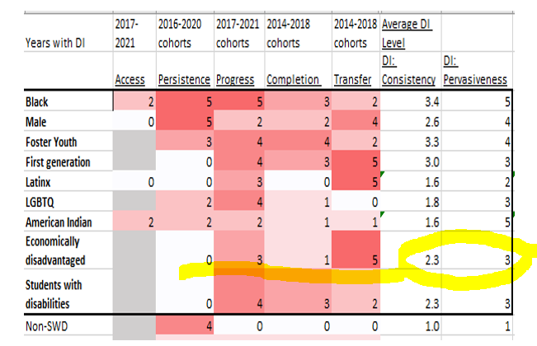
 | 2018 | Not Economically Disadvantaged | 1078 | 80 | 7.4% | 3.16% | -1.56%
 | 2019 | Eoconomically Disadvantaged | 5203 | 325 | 6.2% | -1.42% | -0.66%
 | 2019 | Not Economically Disadvantaged | 1148 | 88 | 7.7% | 1.42% | -1.54%
 | 2020 | Eoconomically Disadvantaged | 4963 | 406 | 8.2% | -1.87% | -0.76%
 | 2020 | Not Economically Disadvantaged | 1154 | 116 | 10.1% | 1.87% | -1.73%
 | 2021 | Eoconomically Disadvantaged | 3914 | 398 | 10.2% | -2.96% | -0.95% | 116 | Y
 | 2021 | Not Economically Disadvantaged | 1196 | 157 | 13.1% | 2.96% | -1.91%
 |  |  |  |  |  |  |  | 426 | <-total full equity for Progress
 |  |  |  |  |  |  |  | 142 | <-average full equity for Progress
Persistence | 2016 | Eoconomically Disadvantaged | 4340 | 3113 | 71.7% | 19.09% | -1.34%
(Persisted First Primary Term to Subsequent Primary Term) | 2016 | Not Economically Disadvantaged | 1421 | 748 | 52.6% | -19.09% | -2.60%
 | 2017 | Eoconomically Disadvantaged | 4748 | 3450 | 72.7% | 16.16% | -1.27%
 | 2017 | Not Economically Disadvantaged | 1145 | 647 | 56.5% | -16.16% | -2.87%
 | 2018 | Eoconomically Disadvantaged | 4901 | 3524 | 71.9% | 9.01% | -1.26%
 | 2018 | Not Economically Disadvantaged | 1078 | 678 | 62.9% | -9.01% | -2.88%
 | 2019 | Eoconomically Disadvantaged | 5203 | 3727 | 71.6% | 13.88% | -1.22%
 | 2019 | Not Economically Disadvantaged | 1148 | 663 | 57.8% | -13.88% | -2.86%
 | 2020 | Eoconomically Disadvantaged | 4963 | 3510 | 70.7% | 13.88% | -1.27%
 | 2020 | Not Economically Disadvantaged | 1154 | 656 | 56.8% | -13.88% | -2.86%
 |  |  |  |  |  |  |  | 0 | <-total full equity for Persistence

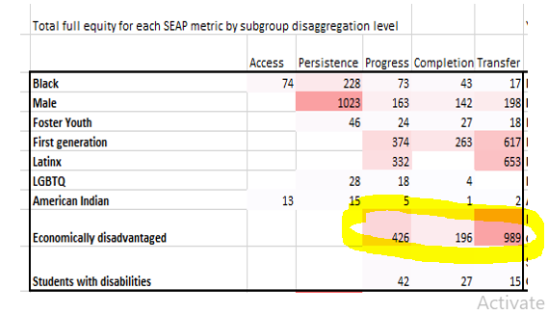
Completion | 2014 | Eoconomically Disadvantaged | 3932 | 183 | 4.7% | -1.62% | -0.66%
(Attained the Vision for Success Definition of Completion within Three Years) | 2014 | Not Economically Disadvantaged | 1196 | 75 | 6.3% | 1.62% | -1.37%
 | 2015 | Eoconomically Disadvantaged | 4204 | 211 | 5.0% | -1.91% | -0.66%
 | 2015 | Not Economically Disadvantaged | 1054 | 73 | 6.9% | 1.91% | -1.53%
 | 2016 | Eoconomically Disadvantaged | 4340 | 277 | 6.4% | 1.39% | -0.73%
 | 2016 | Not Economically Disadvantaged | 1421 | 71 | 5.0% | -1.39% | -1.13%
 | 2017 | Eoconomically Disadvantaged | 4748 | 380 | 8.0% | -0.73% | -0.77%
 | 2017 | Not Economically Disadvantaged | 1145 | 100 | 8.7% | 0.73% | -1.64%
 | 2018 | Eoconomically Disadvantaged | 4901 | 486 | 9.9% | -4.00% | -0.84% | 196 | Y
 | 2018 | Not Economically Disadvantaged | 1078 | 150 | 13.9% | 4.00% | -2.07%
 |  |  |  |  |  |  |  | 196 | <-Full equity
 |  |  |  |  |  |  |  | 196 | <-Average Full equity

Transfer | 2013 | Eoconomically Disadvantaged | 1584 | 195 | 12.3% | -17.92% | -1.62% | 284 | Y
(Transferred to a Four-Year Institution within Three Years) | 2013 | Not Economically Disadvantaged | 387 | 117 | 30.2% | 17.92% | -4.58%
 | 2014 | Eoconomically Disadvantaged | 1519 | 218 | 14.4% | -16.39% | -1.76% | 249 | Y
 | 2014 | Not Economically Disadvantaged | 501 | 154 | 30.7% | 16.39% | -4.04%
 | 2015 | Eoconomically Disadvantaged | 1818 | 252 | 13.9% | -12.16% | -1.59% | 222 | Y
 | 2015 | Not Economically Disadvantaged | 465 | 121 | 26.0% | 12.16% | -3.99%
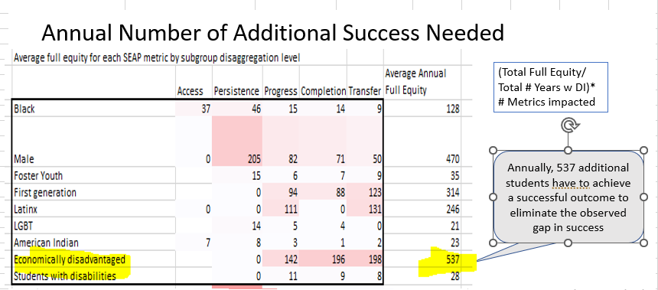
 | 2016 | Eoconomically Disadvantaged | 1874 | 292 | 15.6% | -3.89% | -1.64% | 73 | Y
 | 2016 | Not Economically Disadvantaged | 683 | 133 | 19.5% | 3.89% | -2.97%
 | 2017 | Eoconomically Disadvantaged | 2185 | 365 | 16.7% | -7.36% | -1.56% | 161 | Y
 | 2017 | Not Economically Disadvantaged | 586 | 141 | 24.1% | 7.36% | -3.46%
 |  |  |  |  |  |  |  | 989 | <-total full equity for Progress
 |  |  |  |  |  |  |  | 198 | <-Average Full equity

Note: ACCESS metric for Economically Disadvantaged disaggregation has not been populated.

 |  |  |  |  |  |  |  |  |  |  | # metrics w DI -> | 3* | 426+196+989 | <- Total Full Equity
 |  |  |  |  |  |  |  |  |  |  |  |  | (3+1+5) | <-Total # Years w DI

 |  |  |  |  |  |  |  |  |  |  |  |  | 537

